Main
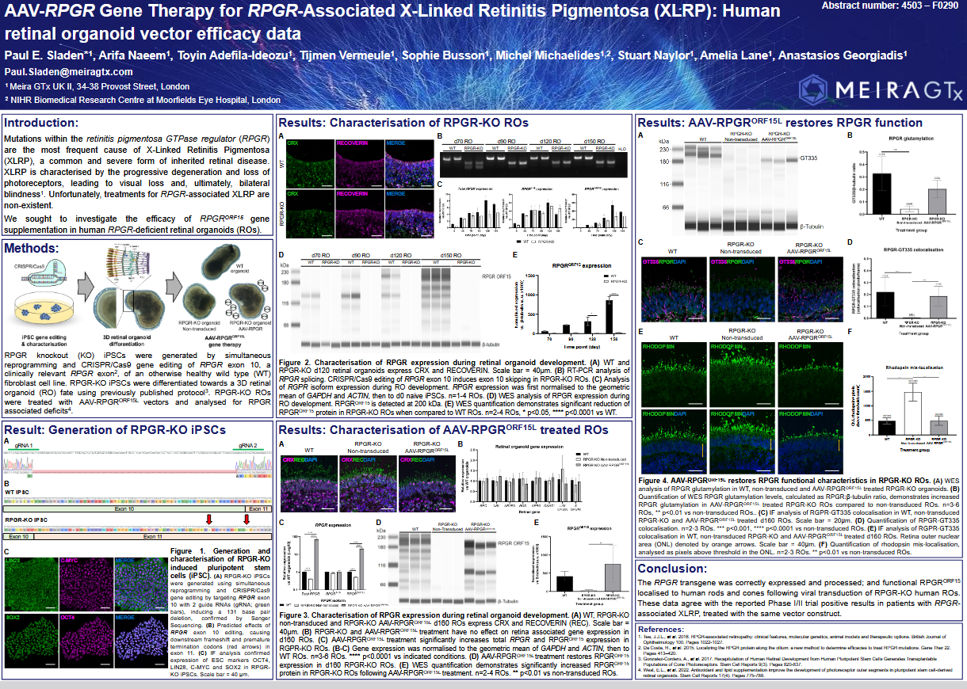
x | $MGTX | 2025-07-09 | in thousands $

x | Capital Structure
 |  |  |  |  | Model Assumption
 | Price | 8.48 | Q125 |  | a,b bleeding scneario's
 | SO | 80,365.36 | Q125 |  | when I found out, a buddy of mine told me that whole additional pipeline is free in terms of implied/intrinsic stock price, back then it was 5.89
 | MC | 681,498.24 | Q125 |  | majority of the HF's even the most controversial ones assume profitability by 2029
 | Cash | 68,610.00 | Q125 |  | if that’s the case scneario, c is our base scneario
 | Debt | 74,839.00 | Q125 |  | we have a range of 18 to 28 dollars,
 | EV | 687,727.24 | Q125 |  | 18 being the conservative
 |  |  |  |  | 28 is optimistic
 | PPE | 104,408.00 | Q125 |  | the rest of the scneario's (MoS, bleeding scneario's) needs some extra work
 | PIC ( Capital in excess of Par Value) | 780,165.00 | Q125
 | AD ( Accumulated Deficit) | 742,003.00 | Q125

 | ARO
 | (Asset Retirement Obligation)
 | Legally enforcable so I will count it as a debt, and note payable |  |  |  | 250.00

 | Cash and cash reserves, restricted cash

x | Pipeline

 | Name | Indication | Phase | Economics | Additional | Filing | Extra
 | AAV-AQP1 | Xerostamia, Sjogren's Disease | IIB | 100% Investing Heavily | RMAT, Orphan Drug, (B as in Pivotal) | https://pubmed.ncbi.nlm.nih.gov/20882054/ | Phase II completed; Orphan Drug Designation (US FDA, EMA); patent başvuruları mevcut
 | AAV-GAD | PD | IIB | Hologen AI, Strategic Collab | RMAT | JCI Insight. 2017 Apr 6;2(7):e90133. | Preclinical studies; patent başvuruları mevcut.
 | AAV-UPF1 | ALS | Pre Clinic |  |  | Genome Res. 2013 Oct;23(10):1636-1650. | Preclinical studies; orphan drug başvurusu planlanıyor.
 | BDNF-MC4R | Metabolic | Pre Clinic |  |  | Nat Neurosci. 2003 Jul;6(7):736-742. | Preclinical studies; patent başvuruları mevcut.
 | GLP-1 GIP Myokine combinations | Metabolic | Pre Clinic |  |  |  | “Preclinical studies; patent başvuruları mevcut.
 | Ribo-CAR-T | Oncology | Pre Clinic
 | Other prevalent indications | - | Pre Clinic |  |  | Initial focus on obesity, and metabolic disease | Phase 3 (LUMEOS study) ongoing; Orphan Drug designations (US FDA, EMA); Fast Track designation (US FDA)
 | Botaretigene sparoparvovec (AAV-RPGR) | X-linked RP | III (Failed) | JNJ | PRIME, Fast Track, Orphan Drug | Gene therapy in ophthalmology poses significant economic burden; near-complete take-up in UK for achromatopsia | “FDA & EMA approved (Luxturna); Orphan Drug & Rare Pediatric Disease Designations; Phase 1/2 clinical trials completed.”
 | AAV-RPE65 | RPE-65 Associated Retinal Dystrophy | IIA |  | RPDD, Orphan Drug | Cold Spring Harb Perspect Med. 2015 Sep;5(9):a017285. | Fast Track, Orphan Drug (FDA, EMA), Rare Pediatric Disease Designations; Phase 1/2 clinical trials ongoing
 | AAV-CNGB3 | Achromatopsia | IIA |  | RPDD, PRIME, Fast Track, Orphan Drug | J Biomed Res. 2020 Mar;34(2):114-121. | Orphan Drug Status (US, EU), Rare Pediatric Disease Designation; Clinical trials ongoing, potential filing end of 2026
 | AAV-CNGA3 | Achromatopsia | IIA (1.5) |  | RPDD, Fast Track, Orphan Drug | PLoS One. 2012;7(4):e35250. | Orphan Drug Status (US, EU), Rare Pediatric Disease Designation; Clinical trials ongoing, post-IND
 | AAV-AIPL1 | LCA4 | ? |  | RPDD, MHRA Specials License , Orphan Status in US & EU | https://lifescievents.com/event/meiragtx-3/ | Preclinical studies; patent başvuruları mevcut.”
 | A007, A008 | RDH12, BBS10, Stargardt, KCNV2 | I |  | RPDD | “Gene therapy for xerostomia (dry mouth) and Sjögren’s syndrome; delivers aquaporin-1 to restore salivary gland function.
 |  |  |  |  |  | Gene therapy for RDH12-associated retinal dystrophy.
 | AAV-hAQP1 |  |  |  |  | Bardet-Biedl Syndrome (aiming gene theraphy)
 | AAV5-RDH12 | RDH12 retinal systrophy |  |  |  | Metabolic indication, Preclinical phase; bespoke combinations to impact muscle/bone strength, white fat browning, CNS BDNF
 | AAV8-RK-BBS10 | Bardet-Biedl Syndrome
 | "AAV BNDF" | obesity | FIH2025 | SNY ROFR (First Right to Acquire)
 |  | Wetg & Dry AMD, Glaucoma, Uveitis | I (0.7) |  | Remaining interests in program sold to Janssen in December 2023; MeiraGTx to receive up to an aggregate of $350.0 million upon achievement of milestones and will manufacture and supply commercial product for Janssen.

 | Fundamental

 | Founded 2015
 | 2023 : sold AAV-RPGR to JNJ for 65m primary long story short reason : "bad secondary aims are good" |  |  | commercial supply agreement up to 285m
 | 2019: JNJ Collab, paid $100m upfront
 | Hologen AI Strategic Collab 200m upfront payment, JV, Hologen Neuro AI Ltd further 230m capital commited to focus on expediting Phase III clinical development of AAV- GAD for PD |  |  |  |  | MGTX holds %30 equity of the JV
 | https://investors.meiragtx.com/node/10136/pdf
 | First Neuro AI clinical drug development, CNS circuitry
 | Positive data from AAV-GAD
 | LCA4, intends to submit MAA
 | https://www.thelancet.com/journals/lancet/article/PIIS0140-6736(24)02812-5/fulltext
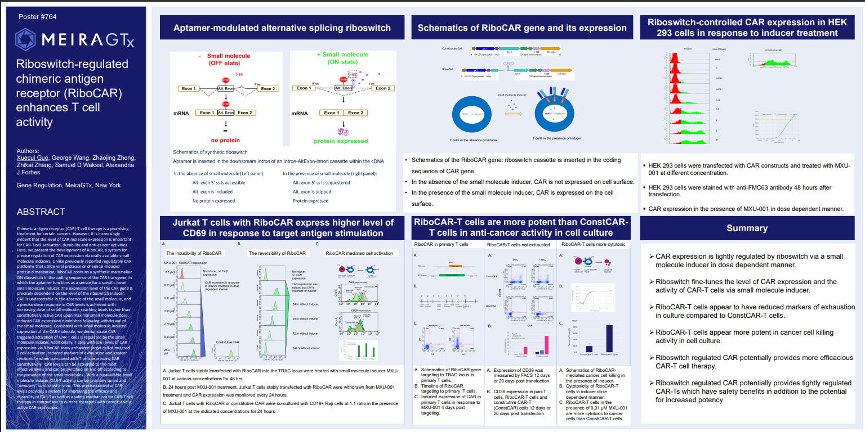

 | n

 | n

 | LCA4
 | improvement of visual acuity
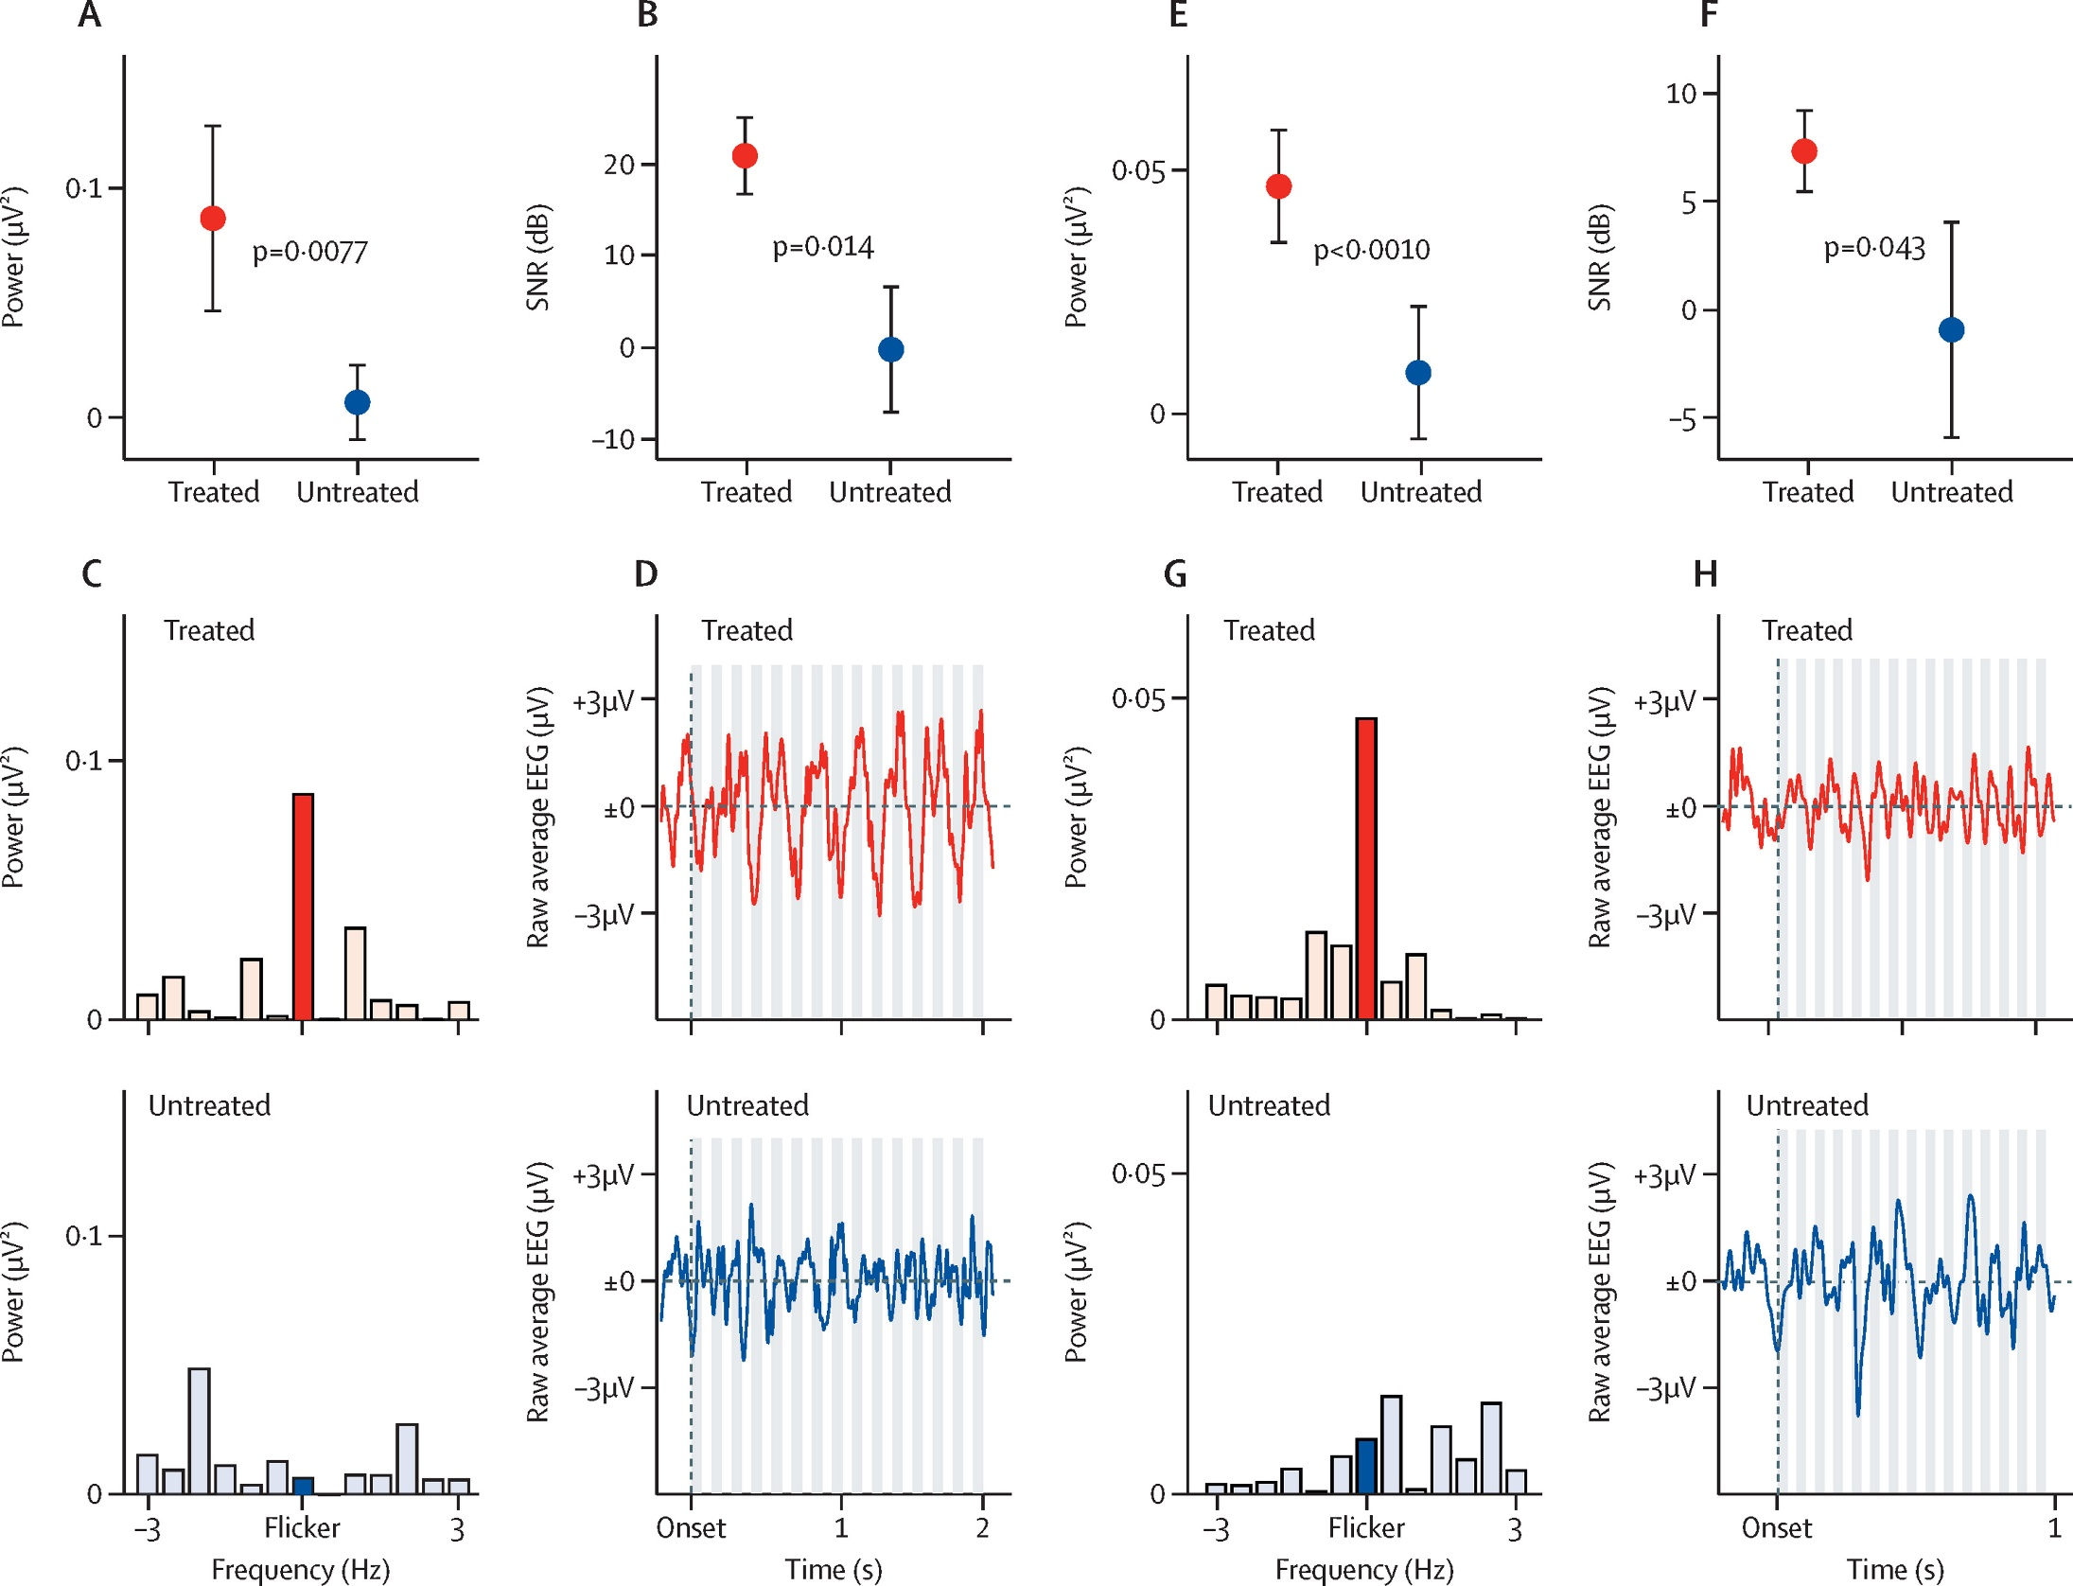

 | AAVRPGR

